README

 | vbArc by Anastasiou Alex
 |  |  | eMail
 |  | GitHub
 |  | YouTube
 |  | FaceBook
 | buy me a coffee

Project Name : | Memory Knots
Purpose : | Save text, speech, text to speech and image notes. Insert notes to cells, comments, clipboard, mail.
Video Link : | https://youtu.be/oBG3g3GV8i4
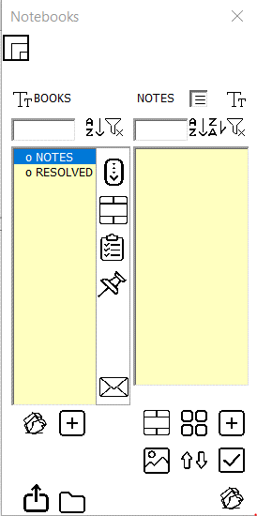
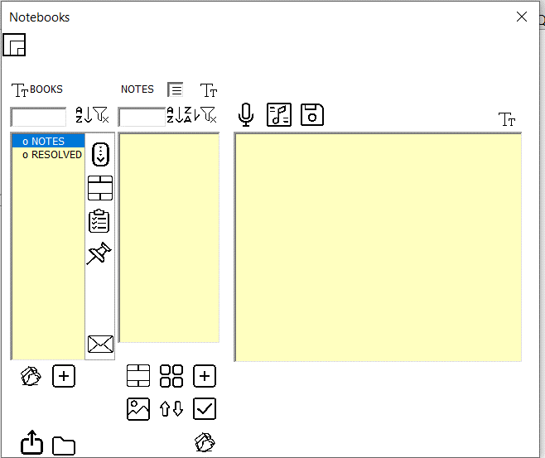
Screenhots :

